Summary
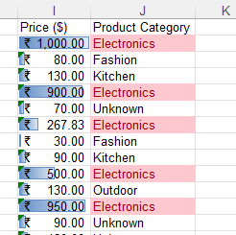
 |  |  | Excel Assignment 2 – Data Exploration

Data Cleaning

 | 1.Removing Duplicates

 |  | 1. When the data set is received there will be duplicates (Repetated Values or Data)
 |  | 2. Finding the duplicate and removing by the (Product ID, Product Name, Brand Name, Price ($), Quantity, Category)
 |  | 3. Select all the data, Then Go to Data - Remove duplicates
 |  | 4

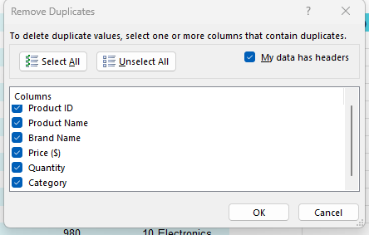
 |  | 5

 |  | 6. Remove duplicate - #3 duplicates Removed.

 | Also We can do this in Power query

 |  | 1. Power Query
 |  | 2. Select all data - Go to Data - Get data - From other sources
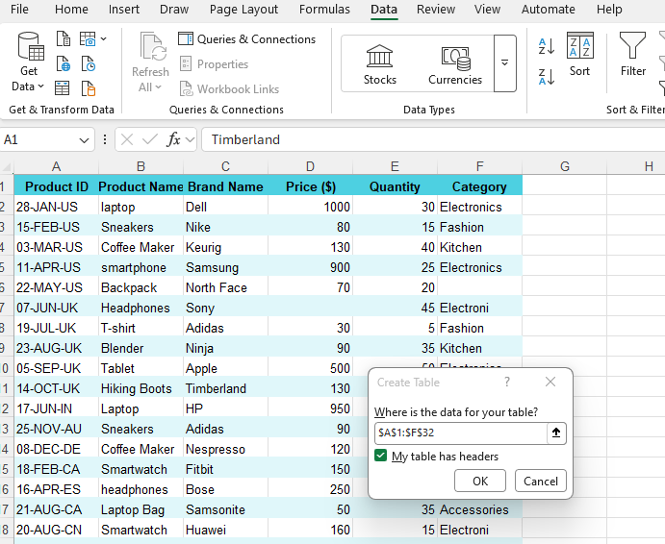

 |  | 3. Select a Product ID Row - Remove rows - Remove duplicates
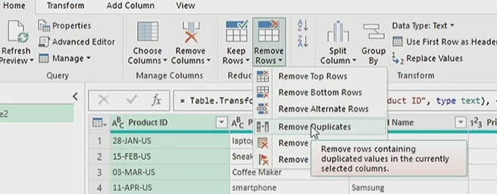

 |  | 4. By this we can able to remove duplicate in power query

 | 2. Correcting Inconsistent Data:
 | 1. To correct the inconsistent data first we need to clean the data
 | 2. I have identified that Product name have some uncleaned data
 | 3. For that I am going to use
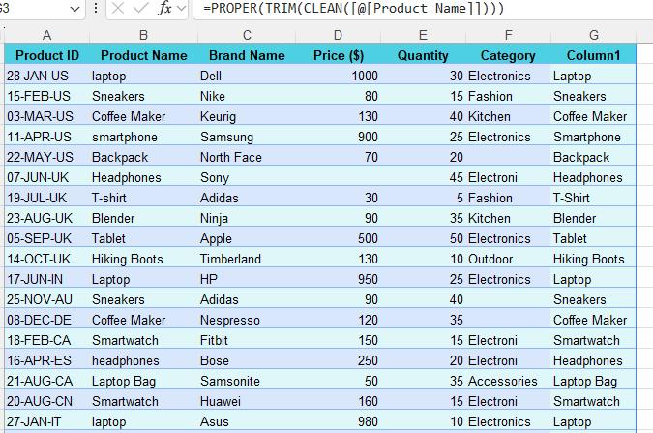
 | 4

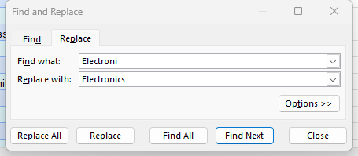
 | 5. Also in Category we have some Inconsistent data for that am using find and Replace
 | 6. CTRL+H = Find and Replace
 | 7

 | 3. Splitting and Merging Data

 | 1. Here we need to split the product key by " Manufacturing Date" and "Country Code"
 | 2. In power query add the data as above
 | 3. To this am using split column
 | 4. Select the Row that’s need to be splited "Product Key"
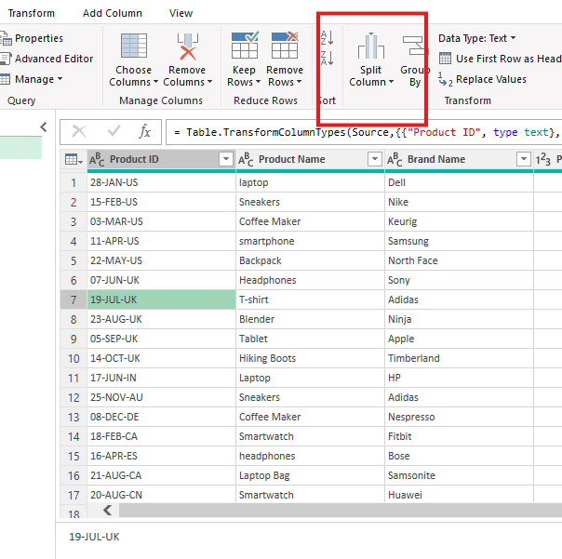

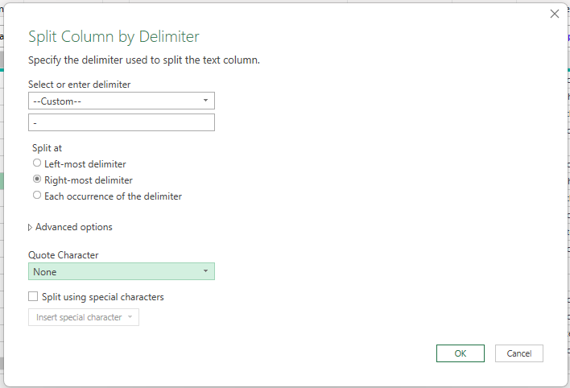

 | 5. I need the country code seprated from the
 | Data so am give the above selection
 | 6. By this I can split the Product key as " Manufacturing Date" and "Country Code"
 | 7. Also am going to merge the "Brand Name" and "Product Name" into one column as Product Brand.
 | 8. Select the Rows that needs to be Merged
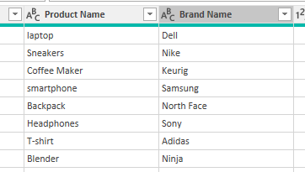

 | 9. Use Merge columns

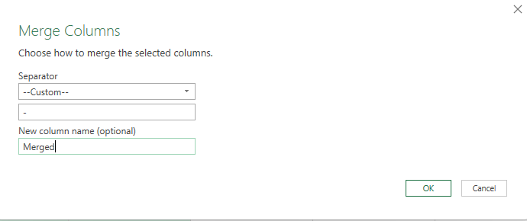

 | 10. I need them merged between "-"
 | 11. Now I have to "Product Brand"
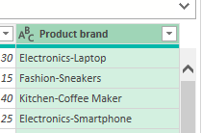

 | 4. Number Formatting:

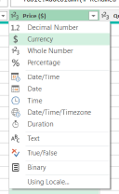
 | 1. We already splited the Product key in power query, So have the Date formatted as "DD-MM-YYYY "
 | 2. In Power Query for price column we have the option to convert it as Currency formet
 | 3. We have the Small logo as
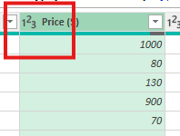

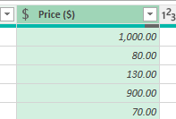

 | 4

 | 5. Handling Missing Values:

 | 1. Reviewing the data found some missing values in Price columns and Category columns
 | 2. To Calculate how many missing values in row we can use
 | 3. After that we have missing values in Pricing column and catogery column
 | 4. Pricing columns we don’t have margin value so for that we can use avarge to fill the missing values
 | 5

 | 6. In Category column we can fill the blanks as "Unknown"
 | 7. To fill the blanks with Unknown
 | 8

 | 6. Conditional Formatting:

 | 1. Apply data bar or color scales conditional formatting in the "Price" column.
 | 2. Select the Price row
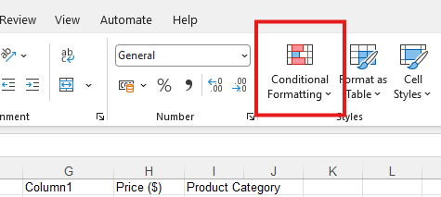

 | 3. Conditional formatting - Data Bars
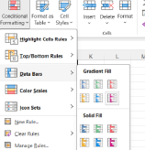
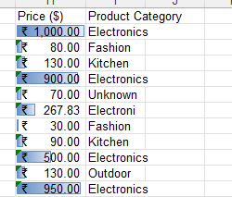

 | 4. Create a custom rule for conditional formatting in the "Category" column to highlight cells where the category is "Electronics.

 | 5. Conditional formatting - Highlight Cell rule - Text that contains

